MATCH
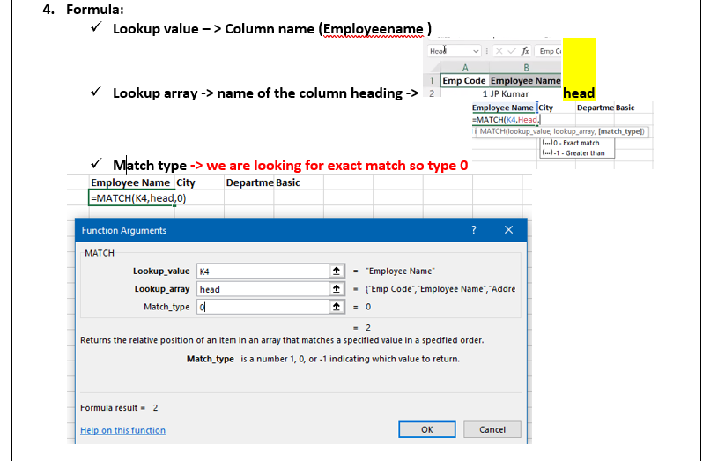
Emp Code | Employee Name | Address | City | Region | Department | Basic | Age
1 | JP Kumar | Andheri (W) | Mumbai | W | Training | 6250 | 29
2 | Anjali Thakur | Govindpuri | Delhi | N | Accounts | 8750 | 34
3 | Priya Agarwal | Sector 9 | Noida | N | Marketing | 11250 | 47 | Employee Name | City | Department | Basic
4 | R Vasu | Egmore | Chennai | S | R&D | 10000 | 21 | 2 | 4 | 6 | 7
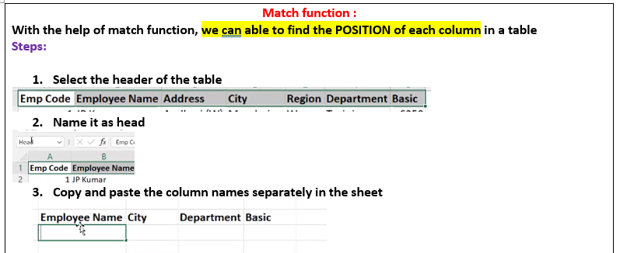
5 | Sanjay Gupta | G K - II | Delhi | N | Training | 16250 | 34
6 | Jharna Biswal | Link Road | Cuttack | E | Accounts | 6400 | 34
7 | Prakash Dutta | Elgin Road | Kolkata | E | Marketing | 4500 | 23
8 | Manisha Guha | Alipore | Kolkata | E | R&D | 6275 | 42
9 | Arjun Jain | MG Road | Mumbai | W | Training | 6250 | 25
10 | Arjun Kapoor | Kormangala | Bangalore | S | Accounts | 8750 | 33
11 | Abrar | Jayanagar | Bangalore | S | Marketing | 11250 | 38
12 | Shahid Khan | M.G Road | Mangalore | S | R&D | 10000 | 38
13 | Anupam Mishra | Govindpuri | Mysore | S | Training | 16250 | 28
14 | Ashwini | Sector 9 | Mangalore | S | Accounts | 6400 | 33
15 | Prateek Babbar | North Road | Delhi | N | Marketing | 4500 | 44
16 | Sukanya Reddy | Alipore | Mangalore | S | R&D | 6275 | 50
17 | Satish Puri | Bandra | Mumbai | W | Operation | 6250 | 47
18 | Anjum Chopra | Worli | Mumbai | W | R&D | 8750 | 24
19 | Akram Khan | S P B Road | Pune | W | Operation | 11250 | 35
20 | Manish Grover | L L R Road | Noida | N | Training | 10000 | 29

VLOOKUP-1
Emp Code | Employee Name | Address | City | Region | Department | Basic | Age
1 | JP Kumar | Andheri (W) | Mumbai | W | Training | 6250 | 27 | SV
2 | Anjali Thakur | Govindpuri | Delhi | N | Accounts | 8750 | 50
3 | Priya Agarwal | Sector 9 | Noida | N | Marketing | 11250 | 31
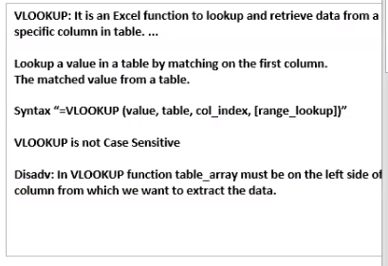
4 | R Vasu | Egmore | Chennai | S | R&D | 10000 | 47
5 | Sanjay Gupta | G K - II | Delhi | N | Training | 16250 | 50
6 | Jharna Biswal | Link Road | Cuttack | E | Accounts | 6400 | 28
7 | Prakash Dutta | Elgin Road | Kolkata | E | Marketing | 4500 | 36
8 | Manisha Guha | Alipore | Kolkata | E | R&D | 6275 | 37
9 | Arjun Jain | MG Road | Mumbai | W | Training | 6250 | 25
10 | Arjun Kapoor | Kormangala | Bangalore | S | Accounts | 8750 | 42
11 | Abrar | Jayanagar | Bangalore | S | Marketing | 11250 | 42
12 | Shahid Khan | M.G Road | Mangalore | S | R&D | 10000 | 46
13 | Anupam Mishra | Govindpuri | Mysore | S | Training | 16250 | 26
14 | Ashwini | Sector 9 | Mangalore | S | Accounts | 6400 | 27
15 | Prateek Babbar | North Road | Delhi | N | Marketing | 4500 | 38
16 | Sukanya Reddy | Alipore | Mangalore | S | R&D | 6275 | 38
17 | Satish Puri | Bandra | Mumbai | W | Operation | 6250 | 30
18 | Anjum Chopra | Worli | Mumbai | W | R&D | 8750 | 39
19 | Akram Khan | S P B Road | Pune | W | Operation | 11250 | 30
20 | Manish Grover | L L R Road | Noida | N | Training | 10000 | 44

VLOOKUP-2
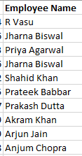
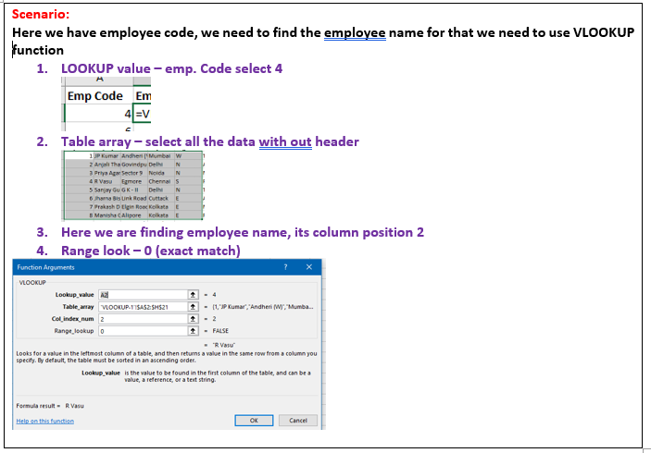
Emp Code | Employee Name | City | Department | Emp Code | Employee Name
4 | R Vasu | Chennai | R&D | 4 | R Vasu
6 | Jharna Biswal | Cuttack | Accounts | 6 | Jharna Biswal
3 | Priya Agarwal | Noida | Marketing | 3 | Priya Agarwal
6 | Jharna Biswal | Cuttack | Accounts | 6 | Jharna Biswal
12 | Shahid Khan | Mangalore | R&D | 12 | Shahid Khan
15 | Prateek Babbar | Delhi | Marketing | 15 | Prateek Babbar
7 | Prakash Dutta | Kolkata | Marketing | 7 | Prakash Dutta
19 | Akram Khan | Pune | Operation | 19 | Akram Khan
9 | Arjun Jain | Mumbai | Training | 9 | Arjun Jain
18 | Anjum Chopra | Mumbai | R&D | 18 | Anjum Chopra

 | Definition

 |  |  |  |  |  | o/p

Another way Vlookup
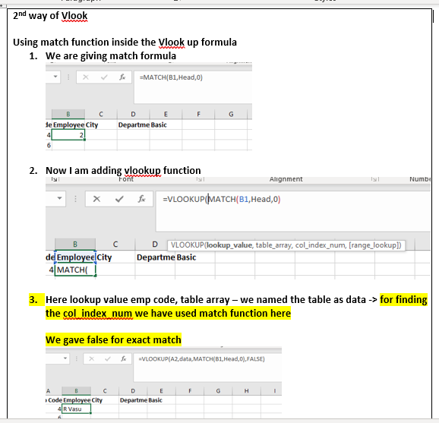
Emp Code | Employee Name | City | Department | Basic
4 | R Vasu | Chennai | R&D | 10000
6 | Jharna Biswal | Cuttack | Accounts | 6400
3 | Priya Agarwal | Noida | Marketing | 11250
6 | Jharna Biswal | Cuttack | Accounts | 6400
12 | Shahid Khan | Mangalore | R&D | 10000
15 | Prateek Babbar | Delhi | Marketing | 4500
7 | Prakash Dutta | Kolkata | Marketing | 4500
19 | Akram Khan | Pune | Operation | 11250
9 | Arjun Jain | Mumbai | Training | 6250
18 | Anjum Chopra | Mumbai | R&D | 8750

imp.
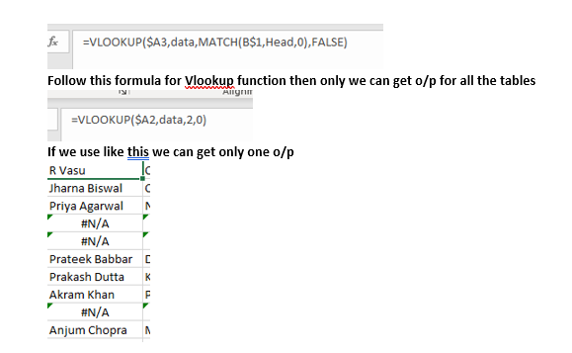
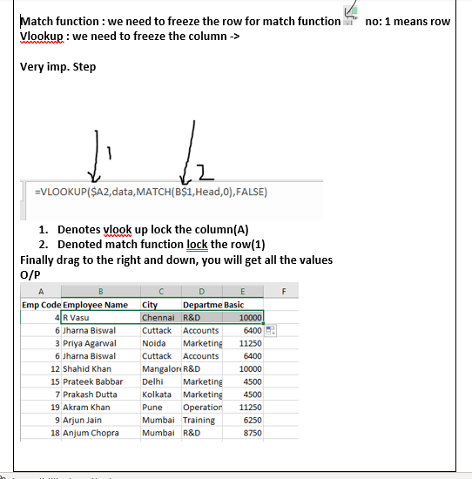
Emp Code | Employee Name | City | Department | Basic
4 | R Vasu | Chennai | R&D | 10000
6 | Jharna Biswal | Cuttack | Accounts | 6400
3 | Priya Agarwal | Noida | Marketing | 11250
6 | Jharna Biswal | Cuttack | Accounts | 6400
12 | Shahid Khan | Mangalore | R&D | 10000
15 | Prateek Babbar | Delhi | Marketing | 4500
7 | Prakash Dutta | Kolkata | Marketing | 4500
19 | Akram Khan | Pune | Operation | 11250
9 | Arjun Jain | Mumbai | Training | 6250
18 | Anjum Chopra | Mumbai | R&D | 8750

iferror
Emp Code | Employee Name | City | Department | Basic
4 | R Vasu | Chennai | R&D | 10000
6 | Jharna Biswal | Cuttack | Accounts | 6400
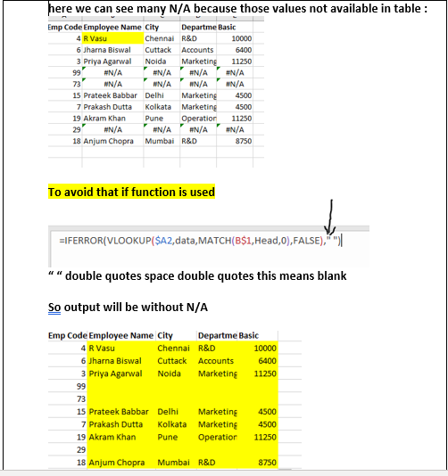
3 | Priya Agarwal | Noida | Marketing | 11250
99
73
15 | Prateek Babbar | Delhi | Marketing | 4500
7 | Prakash Dutta | Kolkata | Marketing | 4500
19 | Akram Khan | Pune | Operation | 11250
29
18 | Anjum Chopra | Mumbai | R&D | 8750

HLOOKUP
Emp Code | 1 | 2 | 3 | 4 | 5 | 6 | 7 | 8 | 9 | 10 | 11 | 12 | 13 | 14 | 15 | 16 | 17 | 18 | 19 | 20
Employee Name | JP Kumar | Anjali Thakur | Priya Agarwal | R Vasu | Sanjay Gupta | Jharna Biswal | Prakash Dutta | Manisha Guha | Arjun Jain | Arjun Kapoor | Abrar | Shahid Khan | Anupam Mishra | Ashwini | Prateek Babbar | Sukanya Reddy | Satish Puri | Anjum Chopra | Akram Khan | Manish Grover
Address | Andheri (W) | Govindpuri | Sector 9 | Egmore | G K - II | Link Road | Elgin Road | Alipore | MG Road | Kormangala | Jayanagar | M.G Road | Govindpuri | Sector 9 | North Road | Alipore | Bandra | Worli | S P B Road | L L R Road
City | Mumbai | Delhi | Noida | Chennai | Delhi | Cuttack | Kolkata | Kolkata | Mumbai | Bangalore | Bangalore | Mangalore | Mysore | Mangalore | Delhi | Mangalore | Mumbai | Mumbai | Pune | Noida
Region | W | N | N | S | N | E | E | E | W | S | S | S | S | S | N | S | W | W | W | N
Department | Training | Accounts | Marketing | R&D | Training | Accounts | Marketing | R&D | Training | Accounts | Marketing | R&D | Training | Accounts | Marketing | R&D | Operation | R&D | Operation | Training
Basic | 6250 | 8750 | 11250 | 10000 | 16250 | 6400 | 4500 | 6275 | 6250 | 8750 | 11250 | 10000 | 16250 | 6400 | 4500 | 6275 | 6250 | 8750 | 11250 | 10000
Age | 24 | 41 | 41 | 21 | 25 | 21 | 36 | 45 | 24 | 41 | 25 | 50 | 27 | 23 | 25 | 44 | 43 | 49 | 42 | 21

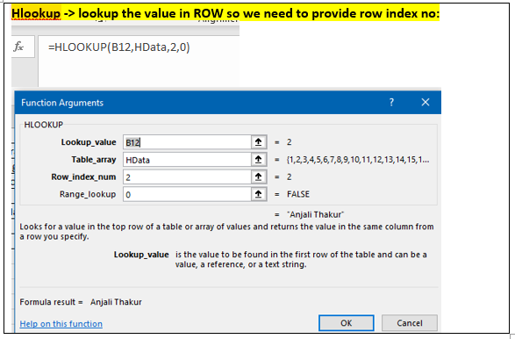
Emp Code | 2 | 6 | 10 | 12 | 13 | 15 |  |  |  |  |  |  |  |  | 15 | 16 | 17 | 18 | 19 | 20
Employee Name | Anjali Thakur | Jharna Biswal | Arjun Kapoor | Shahid Khan | Anupam Mishra | Prateek Babbar
Address | Govindpuri | Link Road | Kormangala | M.G Road | Govindpuri | North Road
City
Region
Department
Basic
Age

LOOKUP INTRO
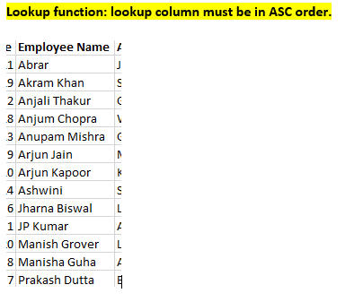
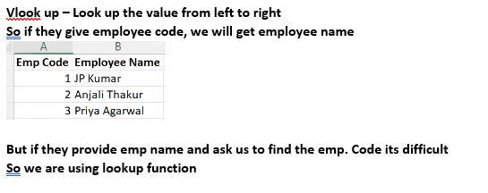

Lookup example

LOOKUP
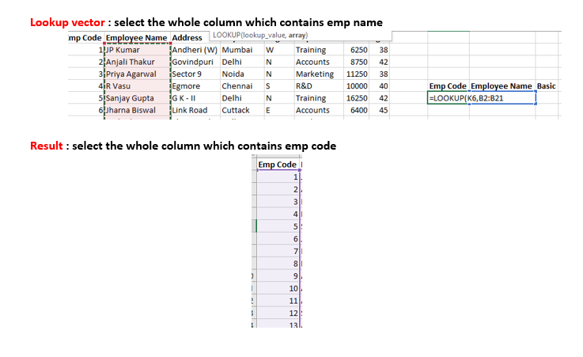
Emp Code | Employee Name | Address | City | Region | Department | Basic | Age
11 | Abrar | Jayanagar | Bangalore | S | Marketing | 11250 | 22 | Emp Code | Employee Name | Basic
19 | Akram Khan | S P B Road | Pune | W | Operation | 11250 | 21 | 10 | Arjun Kapoor | 8750
2 | Anjali Thakur | Govindpuri | Delhi | N | Accounts | 8750 | 29
18 | Anjum Chopra | Worli | Mumbai | W | R&D | 8750 | 21
13 | Anupam Mishra | Govindpuri | Mysore | S | Training | 16250 | 23
9 | Arjun Jain | MG Road | Mumbai | W | Training | 6250 | 34
10 | Arjun Kapoor | Kormangala | Bangalore | S | Accounts | 8750 | 33
14 | Ashwini | Sector 9 | Mangalore | S | Accounts | 6400 | 35
6 | Jharna Biswal | Link Road | Cuttack | E | Accounts | 6400 | 46
1 | JP Kumar | Andheri (W) | Mumbai | W | Training | 6250 | 40
20 | Manish Grover | L L R Road | Noida | N | Training | 10000 | 24
8 | Manisha Guha | Alipore | Kolkata | E | R&D | 6275 | 31
7 | Prakash Dutta | Elgin Road | Kolkata | E | Marketing | 4500 | 40
15 | Prateek Babbar | North Road | Delhi | N | Marketing | 4500 | 50
3 | Priya Agarwal | Sector 9 | Noida | N | Marketing | 11250 | 45
4 | R Vasu | Egmore | Chennai | S | R&D | 10000 | 48
5 | Sanjay Gupta | G K - II | Delhi | N | Training | 16250 | 26
17 | Satish Puri | Bandra | Mumbai | W | Operation | 6250 | 25
12 | Shahid Khan | M.G Road | Mangalore | S | R&D | 10000 | 46
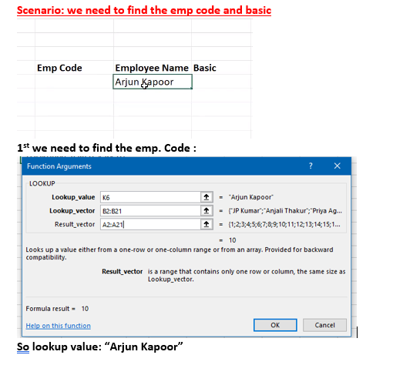
16 | Sukanya Reddy | Alipore | Mangalore | S | R&D | 6275 | 39

INDEX-ManualCalculationrows&col
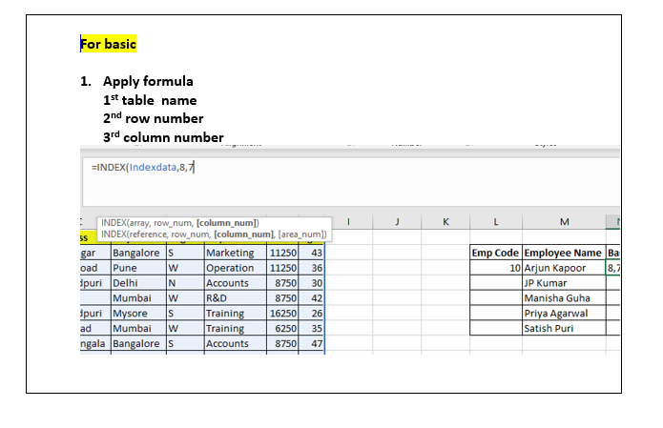
Emp Code | Employee Name | Address | City | Region | Department | Basic | Age
11 | Abrar | Jayanagar | Bangalore | S | Marketing | 11250 | 39 | Emp Code | Employee Name | Basic
19 | Akram Khan | S P B Road | Pune | W | Operation | 11250 | 39 | 10 | Arjun Kapoor | 8750
2 | Anjali Thakur | Govindpuri | Delhi | N | Accounts | 8750 | 42 |  | JP Kumar
18 | Anjum Chopra | Worli | Mumbai | W | R&D | 8750 | 39 |  | Manisha Guha
13 | Anupam Mishra | Govindpuri | Mysore | S | Training | 16250 | 42 |  | Priya Agarwal
9 | Arjun Jain | MG Road | Mumbai | W | Training | 6250 | 44 |  | Satish Puri
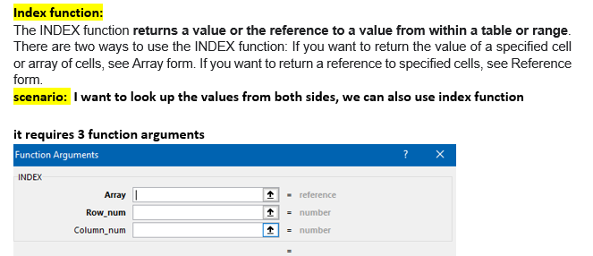
10 | Arjun Kapoor | Kormangala | Bangalore | S | Accounts | 8750 | 24
14 | Ashwini | Sector 9 | Mangalore | S | Accounts | 6400 | 29
6 | Jharna Biswal | Link Road | Cuttack | E | Accounts | 6400 | 41
1 | JP Kumar | Andheri (W) | Mumbai | W | Training | 6250 | 45
20 | Manish Grover | L L R Road | Noida | N | Training | 10000 | 48
8 | Manisha Guha | Alipore | Kolkata | E | R&D | 6275 | 41
7 | Prakash Dutta | Elgin Road | Kolkata | E | Marketing | 4500 | 28
15 | Prateek Babbar | North Road | Delhi | N | Marketing | 4500 | 44
3 | Priya Agarwal | Sector 9 | Noida | N | Marketing | 11250 | 37
4 | R Vasu | Egmore | Chennai | S | R&D | 10000 | 26
5 | Sanjay Gupta | G K - II | Delhi | N | Training | 16250 | 25
17 | Satish Puri | Bandra | Mumbai | W | Operation | 6250 | 50
12 | Shahid Khan | M.G Road | Mangalore | S | R&D | 10000 | 26
16 | Sukanya Reddy | Alipore | Mangalore | S | R&D | 6275 | 50

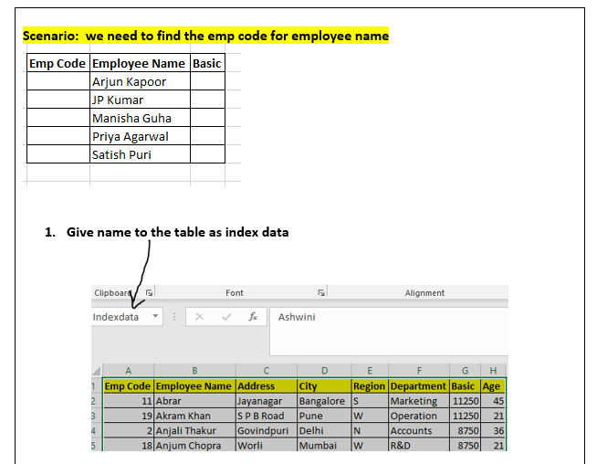

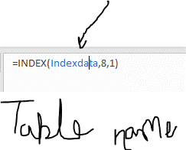

 | array -> table name

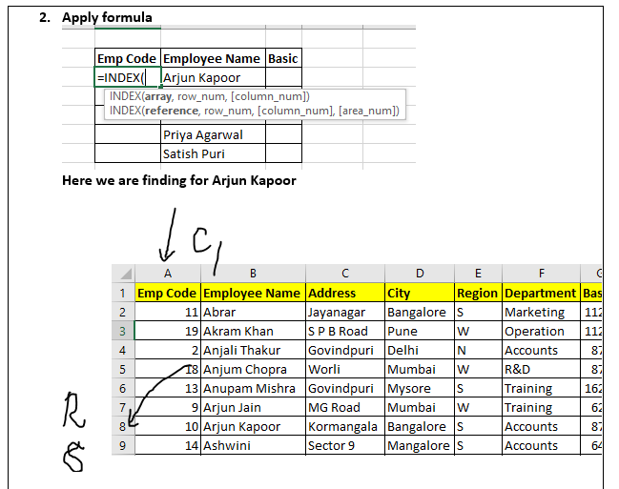

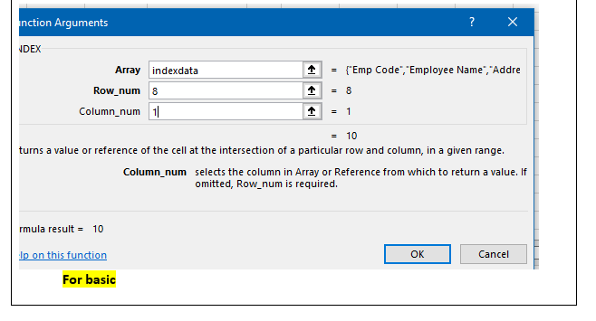

 |  |  |  |  |  |  |  |  | here I have manullay calculated the row and column

steps
